Sheet3
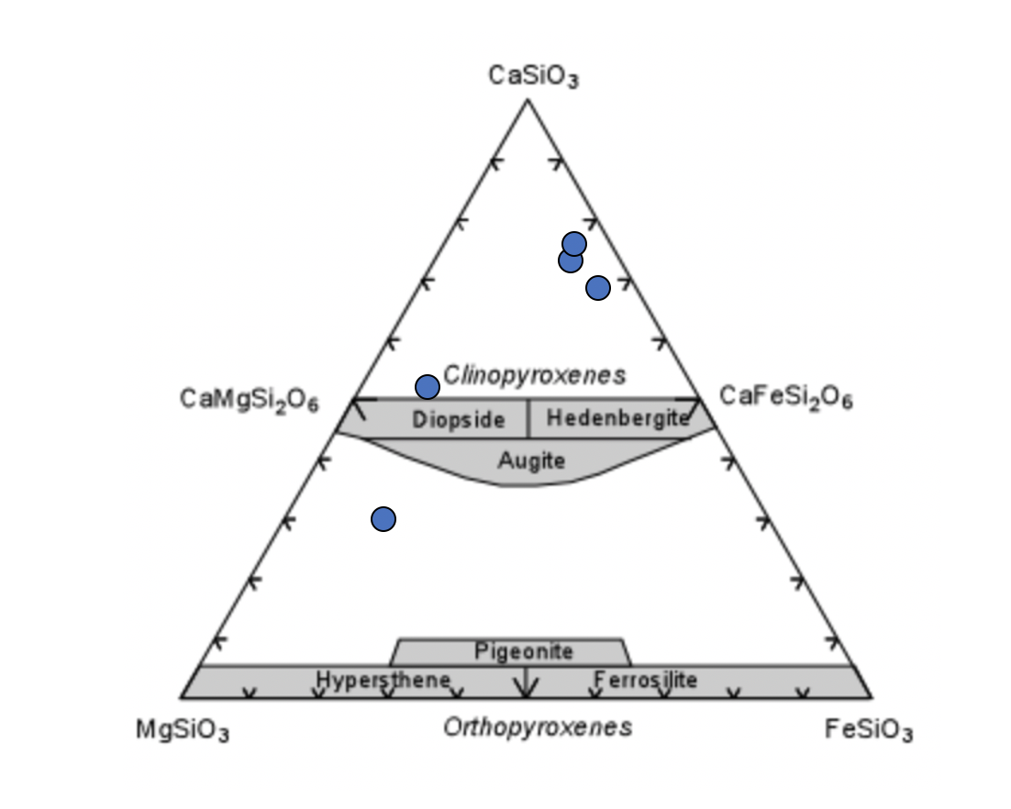
Pyroxene(Wo,En,Fs) | 30.2645 | 55.8807 | 13.8549 |  | En | Wo | Fs
Pyroxene(Wo,En,Fs) | 51.8052 | 39.7745 | 8.4203 | PYX AVG | 60.37392 | 22.450816 | 17.17528
Pyroxene(Wo,En,Fs) | 76.4592 | 5.19642 | 18.3444
Pyroxene(Wo,En,Fs) | 73.5224 | 6.2438 | 20.2338
Pyroxene(Wo,En,Fs) | 69.8183 | 5.15866 | 25.023

 |  |  |  |  | Fo | Fa
Olivine(Fo,Fa) | 78.7225 | 21.2775 |  | OL AVG | 76.621784615 | 23.378225
Olivine(Fo,Fa) | 75.1413 | 24.8588 |  | 100.00000962
Olivine(Fo,Fa) | 78.8685 | 21.1315
Olivine(Fo,Fa) | 78.8071 | 21.1929
Olivine(Fo,Fa) | 78.8145 | 21.1855
Olivine(Fo,Fa) | 75.5029 | 24.4971
Olivine(Fo,Fa) | 79.0408 | 20.9592
Olivine(Fo,Fa) | 75.4432 | 24.5568
Olivine(Fo,Fa) | 75.33 | 24.67
Olivine(Fo,Fa) | 78.8987 | 21.1013
Olivine(Fo,Fa) | 75.4015 | 24.5985
Olivine(Fo,Fa) | 76.1566 | 23.8434
Olivine(Fo,Fa) | 75.3348 | 24.6653
Olivine(Fo,Fa) | 75.7531 | 24.2469
Olivine(Fo,Fa) | 75.3005 | 24.6995
Olivine(Fo,Fa) | 75.5817 | 24.4184
Olivine(Fo,Fa) | 77.1397 | 22.8603
Olivine(Fo,Fa) | 75.2393 | 24.7607
Olivine(Fo,Fa) | 75.4608 | 24.5392
Olivine(Fo,Fa) | 78.6114 | 21.3886
Olivine(Fo,Fa) | 78.8406 | 21.1594
Olivine(Fo,Fa) | 75.4574 | 24.5426
Olivine(Fo,Fa) | 78.508 | 21.492
Olivine(Fo,Fa) | 75.1517 | 24.8483
Olivine(Fo,Fa) | 75.4254 | 24.5746
Olivine(Fo,Fa) | 75.654 | 24.346
Olivine(Fo,Fa) | 74.991 | 25.009
Olivine(Fo,Fa) | 75.5026 | 24.4974
Olivine(Fo,Fa) | 75.1909 | 24.8091
Olivine(Fo,Fa) | 78.7144 | 21.2856
Olivine(Fo,Fa) | 74.7653 | 25.2347
Olivine(Fo,Fa) | 78.1137 | 21.8863
Olivine(Fo,Fa) | 75.4756 | 24.5244
Olivine(Fo,Fa) | 75.4473 | 24.5528
Olivine(Fo,Fa) | 75.0842 | 24.9158
Olivine(Fo,Fa) | 75.3511 | 24.6489
Olivine(Fo,Fa) | 78.7052 | 21.2948
Olivine(Fo,Fa) | 75.3763 | 24.6237
Olivine(Fo,Fa) | 75.2958 | 24.7042
Olivine(Fo,Fa) | 78.4837 | 21.5163
Olivine(Fo,Fa) | 75.7479 | 24.2521
Olivine(Fo,Fa) | 78.8253 | 21.1748
Olivine(Fo,Fa) | 75.2223 | 24.7777
Olivine(Fo,Fa) | 78.8293 | 21.1707
Olivine(Fo,Fa) | 78.7143 | 21.2857
Olivine(Fo,Fa) | 79.0148 | 20.9852
Olivine(Fo,Fa) | 75.5793 | 24.4207
Olivine(Fo,Fa) | 73.5652 | 26.4348
Olivine(Fo,Fa) | 78.855 | 21.145
Olivine(Fo,Fa) | 75.3749 | 24.6251
Olivine(Fo,Fa) | 78.9991 | 21.0009
Olivine(Fo,Fa) | 75.5223 | 24.4777
 | 73.5652
 | 79.0408

